Timeline Data
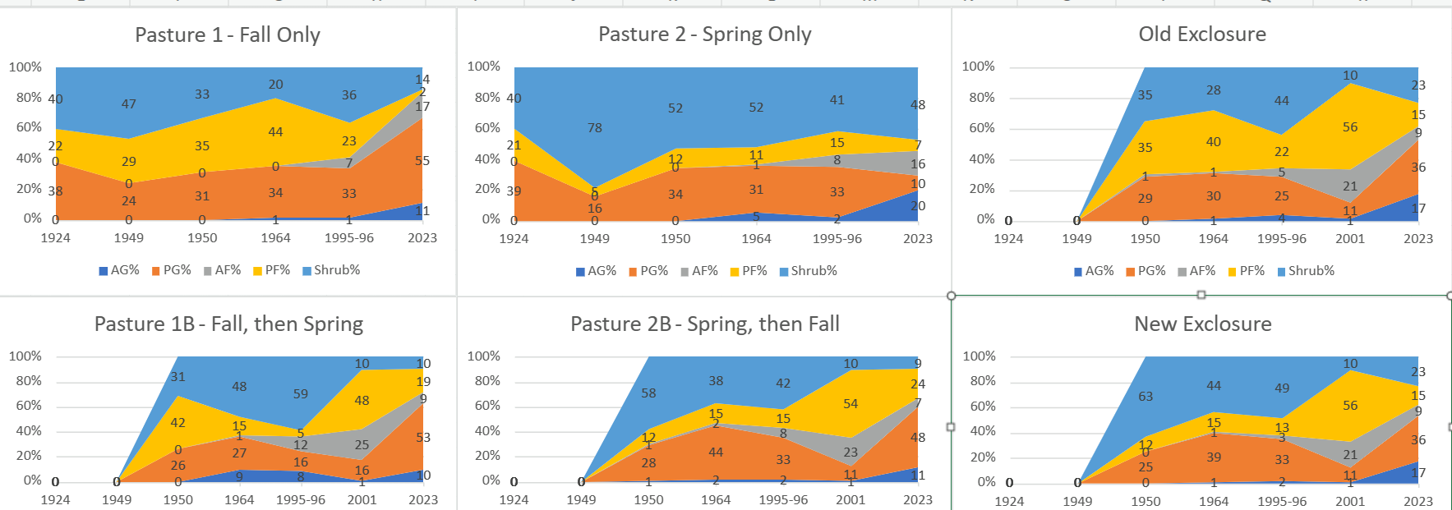
Pasture 1A - Fall Only
Pasture 1B - Fall, then Spring
Pasture 1A - Fall Grazing Only
 | 1924 | 1949 | 1950 | 1964 | 1995 | 2023
AG% | 0 | 0 | 0 | 1 | 1 | 10
PG% | 38 | 24 | 31 | 34 | 33 | 53
AF% | 0 | 0 | 0 | 0 | 7 | 9
PF% | 22 | 29 | 35 | 44 | 23 | 19
Shrub% | 40 | 47 | 33 | 20 | 36 | 10

Pasture 1B - Fall from 1924-1949, then switch to Spring in 1950
 | 1924 | 1949 | 1950 | 1964 | 1995 | 2001 | 2023
AG% | N/A | N/A | 0 | 9 | 8 | 1 | 11
PG% | N/A | N/A | 26 | 27 | 16 | 16 | 55
AF% | N/A | N/A | 0 | 1 | 12 | 25 | 17
PF% | N/A | N/A | 42 | 15 | 5 | 48 | 2
Shrub% | N/A | N/A | 31 | 48 | 59 | 10 | 14
Pasture 2A - Spring and Fall
Pasture 2B - Spring, then Fall
Pasture 2A - Spring + Fall Grazing
 | 1924 | 1949 | 1950 | 1964 | 1995 | 2023
AG% | 0 | 0 | 0 | 5 | 2 | 20
PG% | 39 | 16 | 34 | 31 | 33 | 10
AF% | 0 | 0 | 0 | 1 | 8 | 16
PF% | 21 | 5 | 12 | 11 | 15 | 7
Shrub% | 40 | 78 | 52 | 52 | 41 | 48

Pasture 2B - Spring from 1924-1949, then switch to Fall in 1950
 | 1924 | 1949 | 1950 | 1964 | 1995 | 2001 | 2023
AG% | N/A | N/A | 1 | 2 | 2 | 1 | 11
PG% | N/A | N/A | 28 | 44 | 33 | 11 | 48
AF% | N/A | N/A | 1 | 2 | 8 | 23 | 7
Old Exclosure - No Grazing
New Exclosure - Spring, then No Grazing
PF% | N/A | N/A | 12 | 15 | 15 | 54 | 24
Shrub% | N/A | N/A | 58 | 38 | 42 | 10 | 9

Old Exclosure
 | 1924 | 1949 | 1950 | 1964 | 1995 | 2001 | 2023
AG% | N/A | N/A | 0 | 1 | 4 | 1 | 20
PG% | N/A | N/A | 29 | 30 | 25 | 11 | 10
AF% | N/A | N/A | 1 | 1 | 5 | 21 | 16
PF% | N/A | N/A | 35 | 40 | 22 | 56 | 7
Shrub% | N/A | N/A | 35 | 28 | 44 | 10 | 48

New Exclosure
 | 1924 | 1949 | 1950 | 1964 | 1995 | 2001 | 2023
AG% | N/A | N/A | 0 | 1 | 2 | 1 | 20
PG% | N/A | N/A | 25 | 39 | 33 | 11 | 10
AF% | N/A | N/A | 0 | 1 | 3 | 21 | 16
PF% | N/A | N/A | 12 | 15 | 13 | 56 | 7
Shrub% | N/A | N/A | 63 | 44 | 49 | 10 | 48

Not Official Data - Ignore
 | 1B | 1A | 2B | Ex 1B2B | 2A | Ex 1A2A
 | 2023 | 2023 | 2023 | 2023 | 2023 | 2023
ag | 11 | 10 | 11 | 17 | 20 | 9
pg | 55 | 53 | 48 | 36 | 10 | 19
af | 17 | 9 | 7 | 9 | 16 | 4
pf | 2 | 19 | 24 | 15 | 7 | 22
shrub | 14 | 10 | 9 | 23 | 48 | 46

